calculation
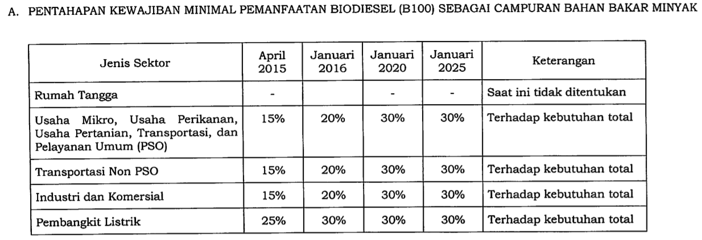
% of emission reduction | 29%
% of transport fuels | 30%
% decarbonized | 9%

*assumed that percentage is constant at 30%

